Design User Interface
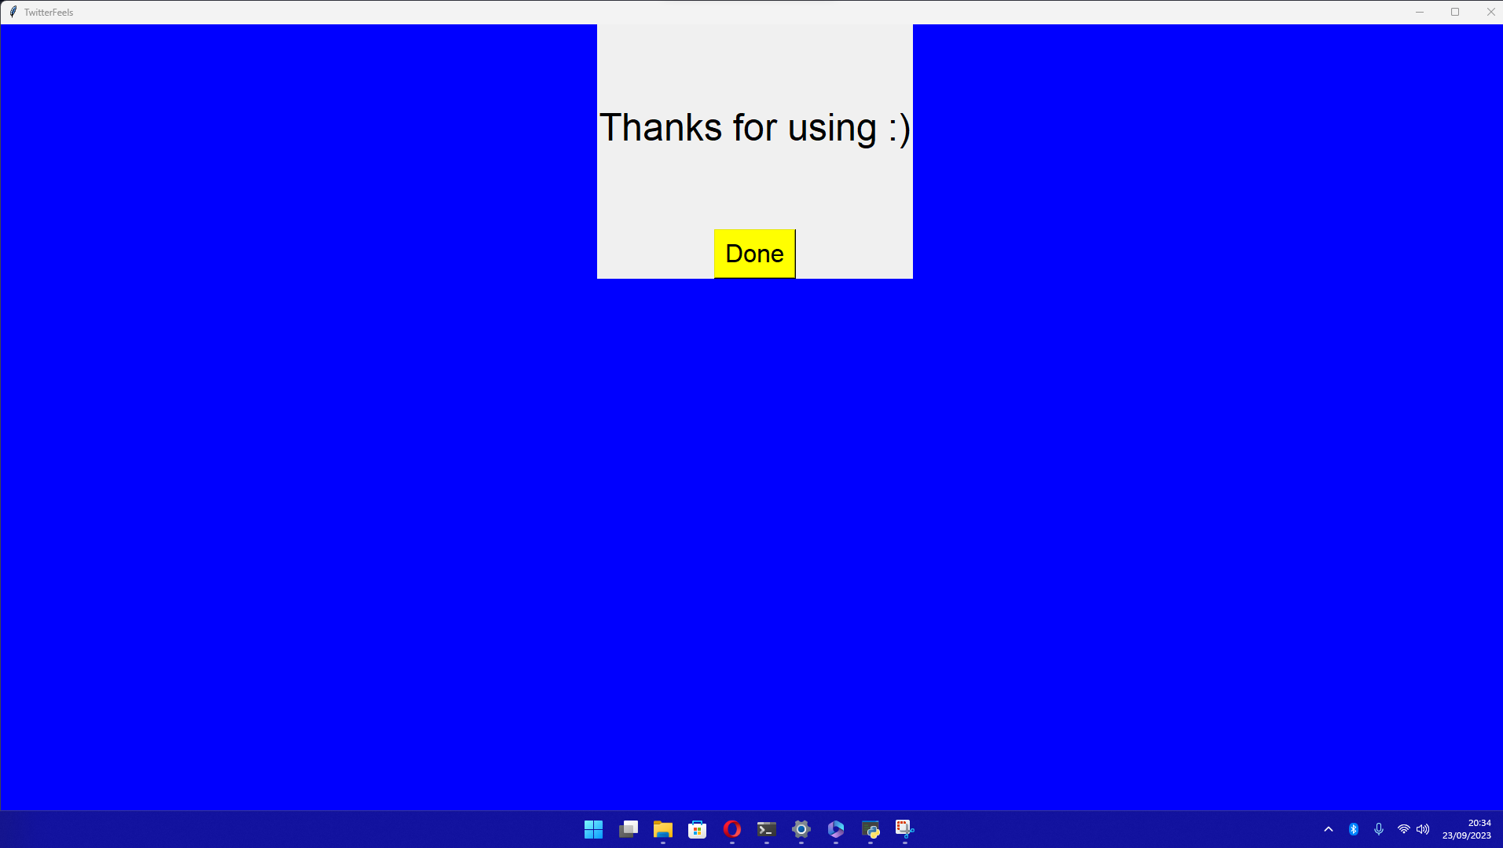
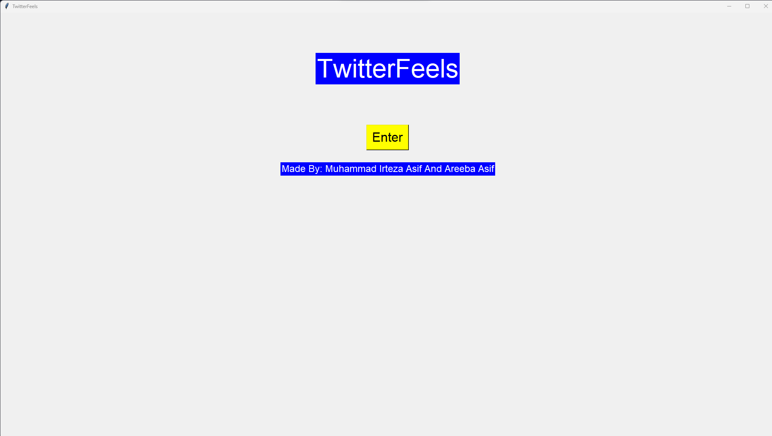
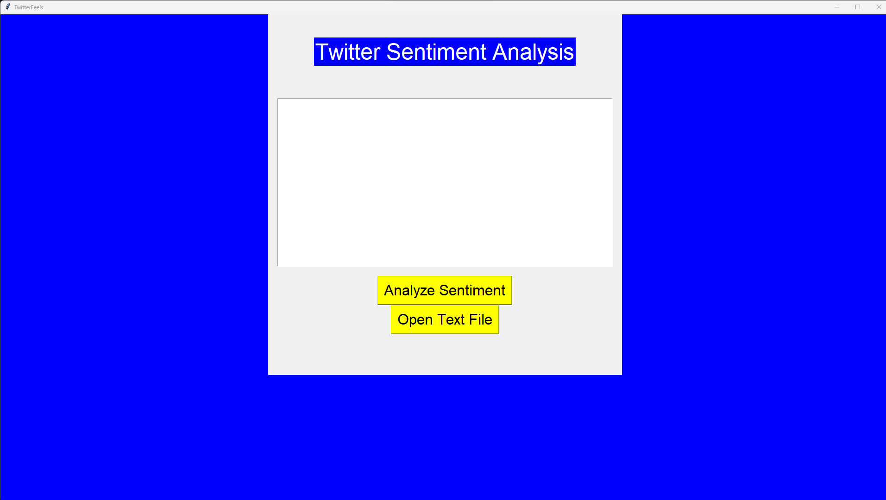
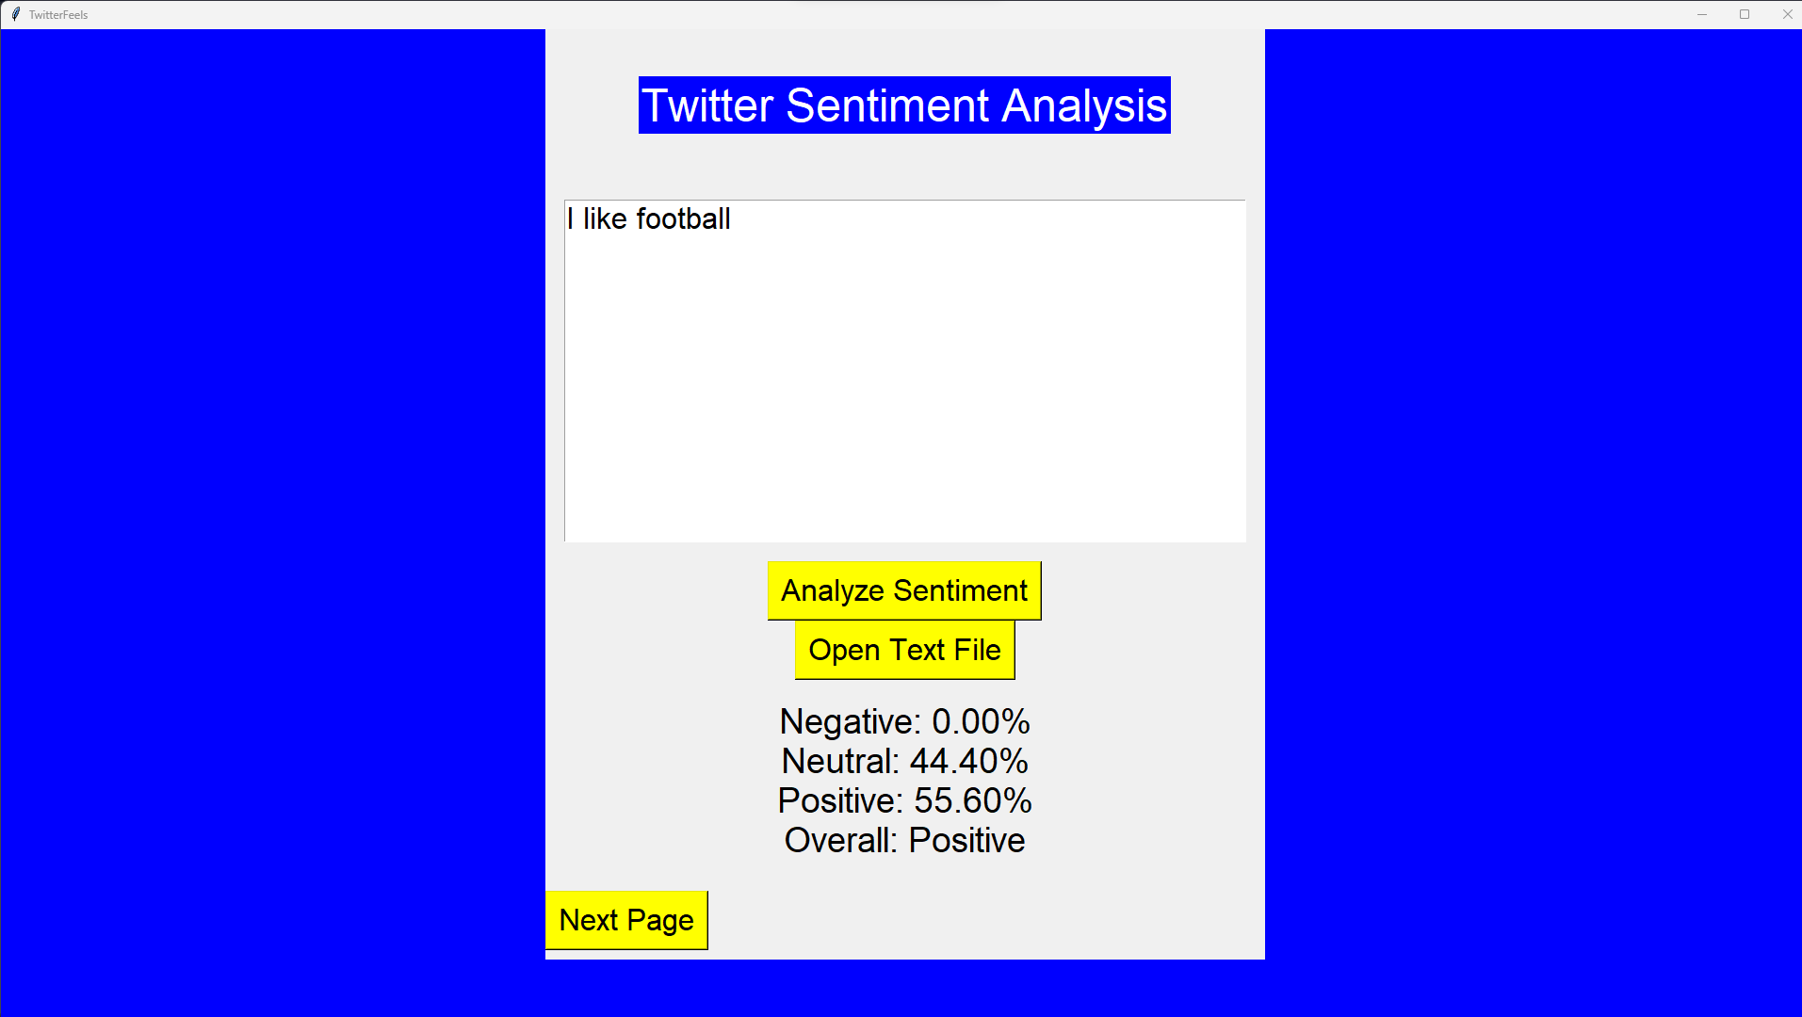
 | First page
 |  | Twitter |  | Please
 |  | sentiment |  | enter
 | TwitterFeels | analysis |  | the
 |  |  |  | text | Thanks for using

 | Enter |  |  | (HERE)

By: Muhammad Irteza Asif and Areeba Asif |  |  |  | Result | Done

 |  |  | next page

